Supplementary Table S5
 | Coefficient |  |  |  |  |  | pval |  |  |  |  |  | confidence interval |  |  |  |  |  | Adjusted R2 | p-value | AIC | Max VIF | # observations
 | const | Tv | Gc | Gb | Fb | L | const | Tv | Gc | Gb | Fb | L | const | Tv | Gc | Gb | Fb | L
Explanatory variable
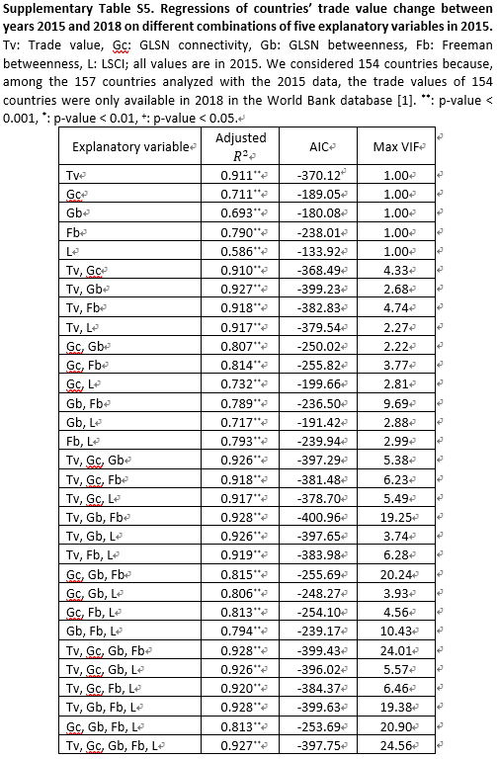
Tv | 0 | 0.955 | — | — | — | — | NaN | ** | — | — | — | — | [-0.048, 0.048] | [0.907, 1.002] | — | — | — | — | 0.911 | ** | -370.12 | 1 | 154
Gc | 0 | — | 0.844 | — | — | — | NaN | — | ** | — | — | — | [-0.086, 0.086] | — | [0.758, 0.93] | — | — | — | 0.711 | ** | -189.05 | 1 | 154
Gb | 0 | — | — | 0.834 | — | — | NaN | — | — | ** | — | — | [-0.088, 0.088] | — | — | [0.745, 0.922] | — | — | 0.693 | ** | -180.08 | 1 | 154
Fb | 0 | — | — | — | 0.889 | — | NaN | — | — | — | ** | — | [-0.073, 0.073] | — | — | — | [0.816, 0.963] | — | 0.79 | ** | -238.01 | 1 | 154
L | 0 | — | — | — | — | 0.767 | NaN | — | — | — | — | ** | [-0.102, 0.102] | — | — | — | — | [0.665, 0.87] | 0.586 | ** | -133.92 | 1 | 154
Tv, Gc | 0 | 0.928 | 0.03 | — | — | — | NaN | ** | NaN | — | — | — | [-0.048, 0.048] | [0.829, 1.028] | [-0.069, 0.13] | — | — | — | 0.91 | ** | -368.49 | 4.33 | 154
Tv, Gb | 0 | 0.789 | — | 0.209 | — | — | NaN | ** | — | ** | — | — | [-0.043, 0.043] | [0.718, 0.86] | — | [0.138, 0.28] | — | — | 0.927 | ** | -399.23 | 2.68 | 154
Tv, Fb | 0 | 0.781 | — | — | 0.196 | — | NaN | ** | — | — | ** | — | [-0.045, 0.045] | [0.681, 0.88] | — | — | [0.096, 0.295] | — | 0.918 | ** | -382.83 | 4.74 | 154
Tv, L | 0 | 0.865 | — | — | — | 0.12 | NaN | ** | — | — | — | ** | [-0.046, 0.046] | [0.795, 0.934] | — | — | — | [0.05, 0.19] | 0.917 | ** | -379.54 | 2.27 | 154
Gc, Gb | 0 | — | 0.502 | 0.462 | — | — | NaN | — | ** | ** | — | — | [-0.07, 0.07] | — | [0.397, 0.606] | [0.358, 0.567] | — | — | 0.807 | ** | -250.02 | 2.22 | 154
Gc, Fb | 0 | — | 0.309 | — | 0.625 | — | NaN | — | ** | — | ** | — | [-0.069, 0.069] | — | [0.175, 0.442] | — | [0.491, 0.759] | — | 0.814 | ** | -255.82 | 3.77 | 154
Gc, L | 0 | — | 0.642 | — | — | 0.252 | NaN | — | ** | — | — | ** | [-0.082, 0.082] | — | [0.503, 0.781] | — | — | [0.113, 0.391] | 0.732 | ** | -199.66 | 2.81 | 154
Gb, Fb | 0 | — | — | -0.08 | 0.965 | — | NaN | — | — | NaN | ** | — | [-0.073, 0.073] | — | — | [-0.308, 0.148] | [0.737, 1.194] | — | 0.789 | ** | -236.5 | 9.69 | 154
Gb, L | 0 | — | — | 0.616 | — | 0.27 | NaN | — | — | ** | — | ** | [-0.085, 0.085] | — | — | [0.472, 0.76] | — | [0.126, 0.414] | 0.717 | ** | -191.42 | 2.88 | 154
Fb, L | 0 | — | — | — | 0.787 | 0.125 | NaN | — | — | — | ** | NaN | [-0.072, 0.072] | — | — | — | [0.661, 0.912] | [-0.0, 0.251] | 0.793 | ** | -239.94 | 2.99 | 154
Tv, Gc, Gb | 0 | 0.798 | -0.012 | 0.21 | — | — | NaN | ** | NaN | ** | — | — | [-0.043, 0.043] | [0.698, 0.899] | [-0.103, 0.08] | [0.138, 0.282] | — | — | 0.926 | ** | -397.29 | 5.38 | 154
Tv, Gc, Fb | 0 | 0.803 | -0.041 | — | 0.211 | — | NaN | ** | NaN | — | ** | — | [-0.046, 0.046] | [0.689, 0.917] | [-0.143, 0.061] | — | [0.105, 0.317] | — | 0.918 | ** | -381.48 | 6.23 | 154
Tv, Gc, L | 0 | 0.901 | -0.058 | — | — | 0.139 | NaN | ** | NaN | — | — | ** | [-0.046, 0.046] | [0.804, 0.998] | [-0.166, 0.05] | — | — | [0.061, 0.218] | 0.917 | ** | -378.7 | 5.49 | 154
Tv, Gb, Fb | 0 | 0.857 | — | 0.328 | -0.183 | — | NaN | ** | — | ** | NaN | — | [-0.043, 0.043] | [0.758, 0.956] | — | [0.186, 0.47] | [-0.371, 0.005] | — | 0.928 | ** | -400.96 | 19.25 | 154
Tv, Gb, L | 0 | 0.782 | — | 0.194 | — | 0.025 | NaN | ** | — | ** | — | NaN | [-0.043, 0.043] | [0.708, 0.857] | — | [0.11, 0.278] | — | [-0.052, 0.102] | 0.926 | ** | -397.65 | 3.74 | 154
Tv, Fb, L | 0 | 0.773 | — | — | 0.146 | 0.07 | NaN | ** | — | — | + | NaN | [-0.045, 0.045] | [0.674, 0.872] | — | — | [0.032, 0.259] | [-0.009, 0.149] | 0.919 | ** | -383.98 | 6.28 | 154
Gc, Gb, Fb | 0 | — | 0.352 | 0.163 | 0.433 | — | NaN | — | ** | NaN | * | — | [-0.069, 0.069] | — | [0.204, 0.5] | [-0.074, 0.4] | [0.124, 0.743] | — | 0.815 | ** | -255.69 | 20.24 | 154
Gc, Gb, L | 0 | — | 0.518 | 0.479 | — | -0.035 | NaN | — | ** | ** | — | NaN | [-0.07, 0.07] | — | [0.395, 0.64] | [0.355, 0.603] | — | [-0.175, 0.104] | 0.806 | ** | -248.27 | 3.93 | 154
Gc, Fb, L | 0 | — | 0.295 | — | 0.608 | 0.034 | NaN | — | ** | — | ** | NaN | [-0.069, 0.069] | — | [0.152, 0.438] | — | [0.461, 0.756] | [-0.093, 0.161] | 0.813 | ** | -254.1 | 4.56 | 154
Gb, Fb, L | 0 | — | — | -0.128 | 0.897 | 0.139 | NaN | — | — | NaN | ** | + | [-0.072, 0.072] | — | — | [-0.358, 0.102] | [0.663, 1.131] | [0.011, 0.267] | 0.794 | ** | -239.17 | 10.43 | 154
Tv, Gc, Gb, Fb | 0 | 0.842 | 0.034 | 0.345 | -0.215 | — | NaN | ** | NaN | ** | + | — | [-0.043, 0.043] | [0.734, 0.951] | [-0.067, 0.136] | [0.195, 0.495] | [-0.425, -0.004] | — | 0.928 | ** | -399.43 | 24.01 | 154
Tv, Gc, Gb, L | 0 | 0.803 | -0.031 | 0.191 | — | 0.037 | NaN | ** | NaN | ** | — | NaN | [-0.043, 0.043] | [0.702, 0.904] | [-0.134, 0.071] | [0.107, 0.276] | — | [-0.05, 0.124] | 0.926 | ** | -396.02 | 5.57 | 154
Tv, Gc, Fb, L | 0 | 0.815 | -0.083 | — | 0.16 | 0.093 | NaN | ** | NaN | — | * | + | [-0.045, 0.045] | [0.702, 0.929] | [-0.19, 0.025] | — | [0.045, 0.275] | [0.009, 0.176] | 0.92 | ** | -384.37 | 6.46 | 154
Tv, Gb, Fb, L | 0 | 0.85 | — | 0.314 | -0.189 | 0.031 | NaN | ** | — | ** | NaN | NaN | [-0.043, 0.043] | [0.75, 0.951] | — | [0.168, 0.46] | [-0.378, 0.0] | [-0.045, 0.108] | 0.928 | ** | -399.63 | 19.38 | 154
Gc, Gb, Fb, L | 0 | — | 0.353 | 0.164 | 0.433 | -0.001 | NaN | — | ** | NaN | * | NaN | [-0.069, 0.069] | — | [0.183, 0.523] | [-0.096, 0.423] | [0.117, 0.748] | [-0.14, 0.138] | 0.813 | ** | -253.69 | 20.9 | 154
Tv, Gc, Gb, Fb, L | 0 | 0.843 | 0.019 | 0.326 | -0.206 | 0.024 | NaN | ** | NaN | ** | NaN | NaN | [-0.043, 0.043] | [0.734, 0.952] | [-0.095, 0.134] | [0.163, 0.49] | [-0.419, 0.008] | [-0.062, 0.111] | 0.927 | ** | -397.75 | 24.56 | 154

